1. Title Page
[Project Name]

Project Name: Instacart Grocery Basket Analysis
Date: July 2023
Analyst Name: Diana Alatriste

Contents:
Population Flow
Consistency checks
Wrangling steps
Column derivations
Visualizations
Recommendations

2. Population Flow
Title page

Population flow

Exclusion flag
Condition: max_order < 5
Obervations to be removed: 1440295
Final total count of order_products_all: 30964564

Orders_products_combined
Orders_products_merged
Orders_products_all

Total:32404859
Total:32404859
Total: 32404859

1.) The grey boxes in the first row of the population flow represent the original data sets as they were when you downloaded them. In the Total fields you need to add the count of the rows when you imported the data set into Jupyter.
2.) The second row of boxes (coloured) represents the data sets after you manipulated them, e.g., removed missing values and duplicates. In the Total fields you need to add the count of the rows after conducting these operations. This offers a visual oveview of how the data flows throughout the data consistency checks.
3.) The third row, where also the arrows are coloured, represents the merges you performed between the datasets. In the Total fields you need to add the count of the rows in the merged datasets, so that you end up with the final dataset (in the red box). Keep in mind the final dataset should be without exclusions (based on the exclusion flag).

3. Consistency checks
 |  |  |  | Title page
Consistency checks

Dataset | Missing values | Missing values treatment | Duplicates
orders | 206209 | Missing values in 'last_purchase' column were replaced with 0 | No duplicates
products | 16 | Missing values in 'product name' column were deleted
orders_products_prior | 0 |  | No duplicates
customers | 11259 | Missing values in 'First Name' column. Values were replaced with 'NA' | No duplicates

4. Wrangling steps
 |  |  |  | Title page
Wrangling steps

In orders.csv
Columns dropped | Columns renamed | Columns' type changed | Comment/Reason
eval_set |  |  | Column not necessary for analysis
 | order_dow |  | Name quite confusing. Changed to 'order_day_of_week'
 | days_since_prior_order |  | Name long and confusing. Changed to 'last_purchase'
 |  | order_id | Not really an integer. Was changed to avoid being included when calculating the description of the dataframe
 |  | user_id | Not really an integer. Was changed to avoid being included when calculating the description of the dataframe

In customers.csv
Columns dropped | Columns renamed | Columns' type changed | Comment/Reason
date_joined |  |  | Column not necessary for analysis
 | Surnam |  | Mispelled in original file. Changed to 'Surname'
 | n_dependants |  | Name confusing. Changed to 'number_of_children'
 | STATE |  | Changed for purposes of consistency to high and low caps
 |  | user_id | Not really an integer. Was changed to avoid being included when calculating the description of the dataframe
 |  | Age | Changed from data type int64 to int8
 |  | number_of_children | Changed from data type int64 to int8
 |  | income | Changed from data type int64 to int32

5. Column derivations
 |  |  |  | Title page

Column derivations and aggregations

In this tab you should add tables below that the frequences of flags/label variables that you produced after deriving them. NB: don't do this for continuous variables, only for flags.
Dataset | New column | Column/s it was derived from | Conditions
orders_products_merged | price_range_loc | prices | - If the item’s price is lower than or equal to $5, item was labeled a “low-range product.” - If the item’s price is above $5 but lower than or equal to $15, item was labeled a “mid-range product.” - If the item’s price is above $15, item was labeled a “high-range product.”
orders_products_merged | Busiest days | orders_day_of_week | - Two busiest days in terms of orders they were labeled 'Busiest days' - Two least busiest days the same time, they were labeled 'Least busy days' - Rest of days were labeled 'Regularly busy'
orders_products_merged | busiest_period_of_day | order_hour_of_day | Three groups were labeled based on frequency of order. Periods of time labeled “Most orders,” “Average orders,” and “Fewest orders.”
orders_products_merged | loyalty_flag | max_order | Three groups were labeled based on number of orders: Loyal customer - max_order > 40 Regular customer - 10 < max_order <= 40 New customer - max_order <= 10
orders_products_merged | spending_flag | avg_price | Three groups were labeled based on average price of orders: Low spender = avg_price < 10 High spender = avg_price >= 10
orders_products_merged | frequency_flag | med_last_purchase | Three groups were labeled based on the median of column 'last_purchase': Non-freqent customer = med_last_purchase > 20 Regular customer = 10 <= med_last_purchase <= 20 Frequent customer = med_last_purchase <= 10
orders_products_all | Region | State | If State is in northeast region - Northeast If State is in midwest region - Midwest If State is in south region - South If State is in west region - West
orders_products_all | income_group | income | Four categories were created: Low-income (25,000 - 49,999 USD) Middle-income (50,000 - 74, 999 USD) High-income (75,000 - 149, 999 USD) Affluent ( > 150, 000 USD)
orders_products_all | age _group | Age | For this, three categories were created: Young Adult (<= 30) Middle age (31 - 64) Senior (>=65)
orders_products_all | children_flag | number_of_children | Two categories were created: No children, where number of children = 0 Has children, where number of children > 0
orders_products_all | customer_profile | age_group children_flag | The profiles created were the following: Young Adult no children Young Adult Parent Middle Aged no children Middle Aged Parent Senior no children Senior Parent

6. Visualizations
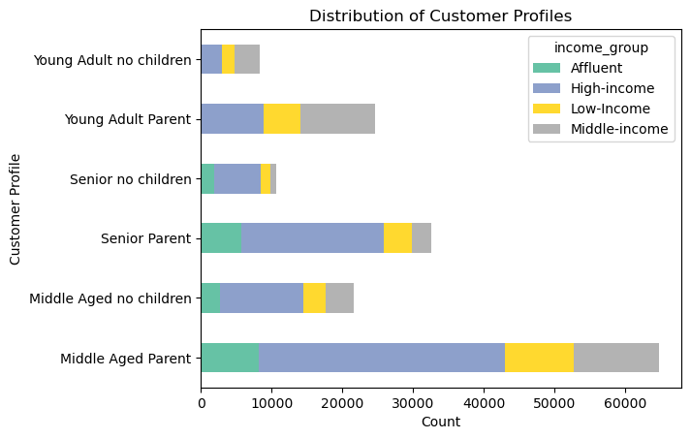
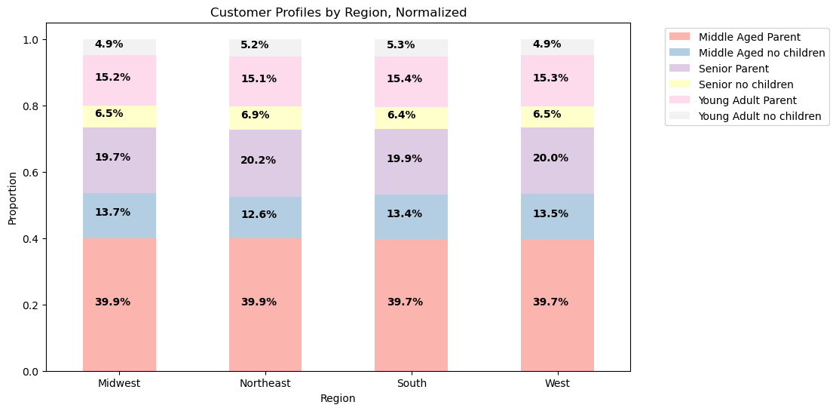
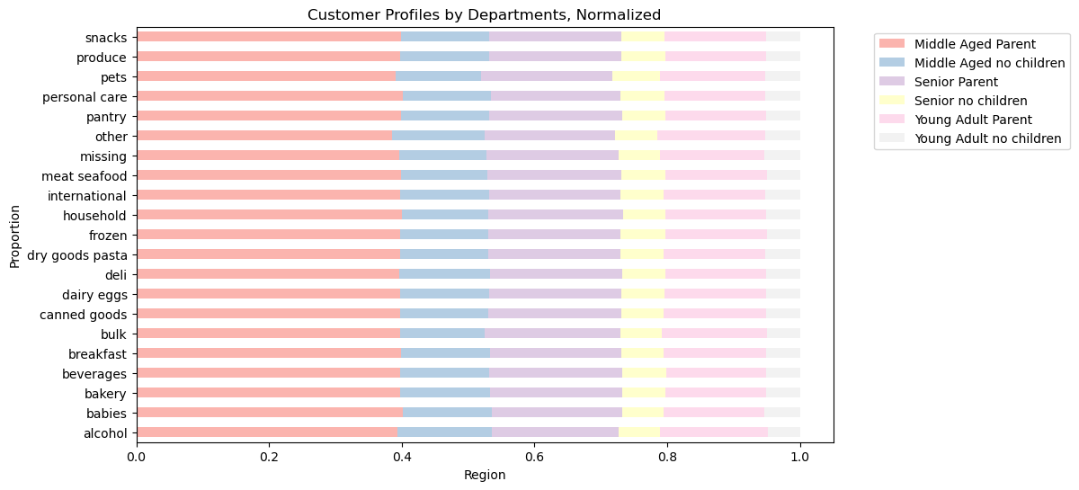
 | Title page

Visualisations

In this tab you should include all the visualizations from Exercises 4.9 and 4.10, alongside the questions from the project brief that they answer. Include any commentary on the relationship between different variables.

Question 1.

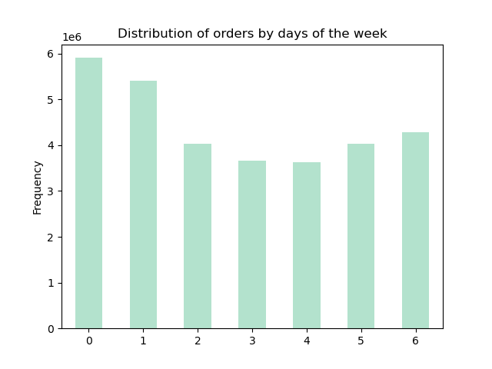
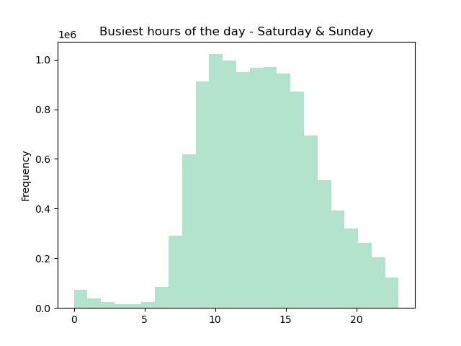
The most active days based on order are Saturday and Sunday. Within these two days, the busiest hours of the day are between 9 am and 4 pm.

Question 2.
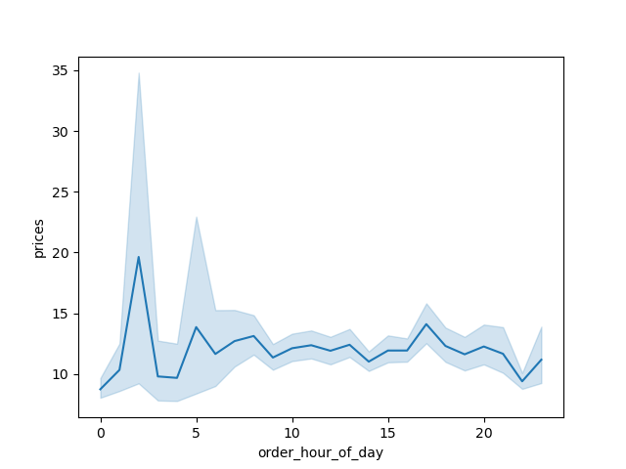

Instacart customers tend to spend more/make more expensive purchases at 2am. There's another minor peak, around 5 am and another one at 5 pm.

Question 3.

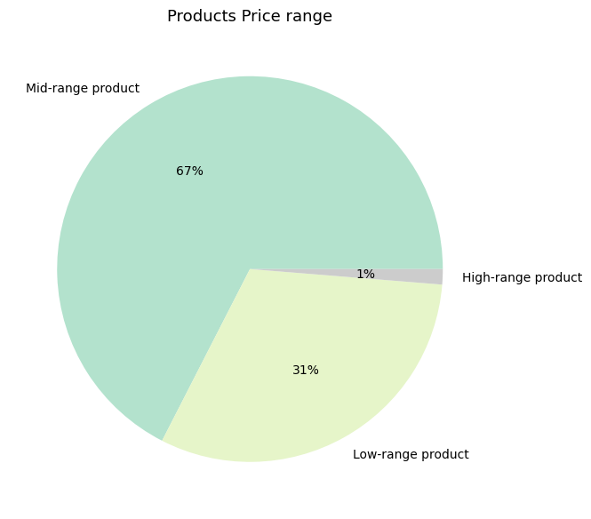
Product prices were sorted into prices ranges. The applied criteria was as follows:
- If the item’s price was lower than or equal to 5 USD, item was labeled as 'low-range product'.
- If the item’s price was above 5 USD but lower than or equal to 15 USD, item was labeled as 'mid-range product'.
- If the item’s price was above 15 USD, item was labeled as 'high-range product'.
The most numerous items in the Instacart catalog are mid-range products (67%). The second most numerous are low-range products (31%) and finally, high-range products take 1% of the catalog.

Question 4.

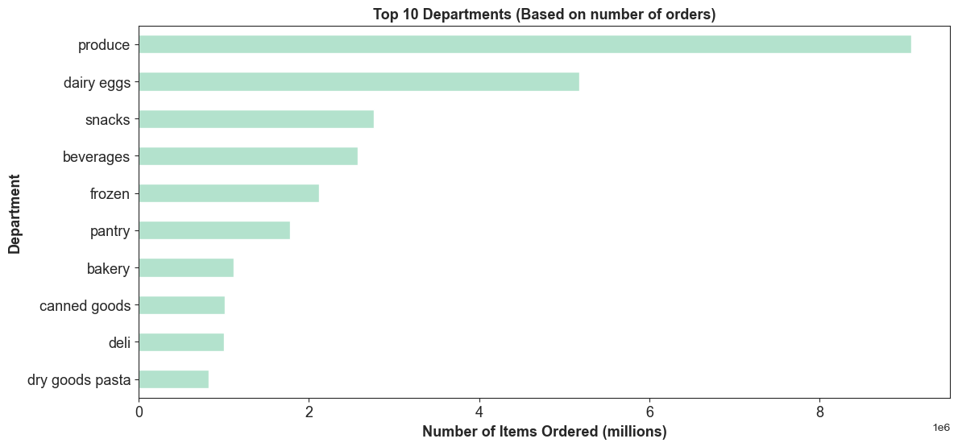
Products in the 'Produce' category are the most popular among the Instacart customers- The category is also the most popular when analysis is done in customer profiles.
The Top 10 of most bought departments from most popular to least are: Produce, dairy eggs, snakc, beverages, frozen, pantry, bakery, canned goods, deli, dry goods pasta.

Question 5.

What's the distribution among users in regards to their brand loyalty (i.e., how often do they return to Instacart)?
.
Are there differences in ordering habits based on a customer's loyalty status?

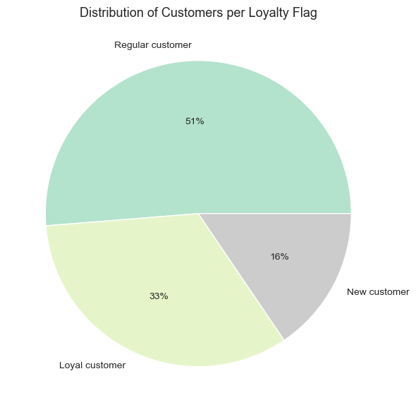

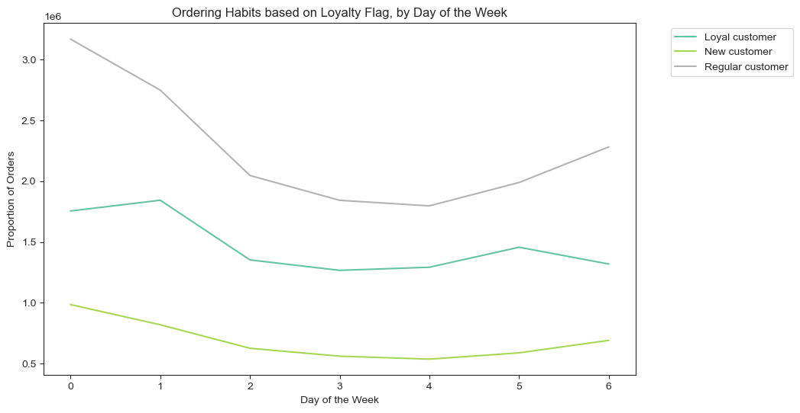

Are there differences in ordering habits based on a customer's region?
Is there a connection between age and family status in terms of ordering habits?

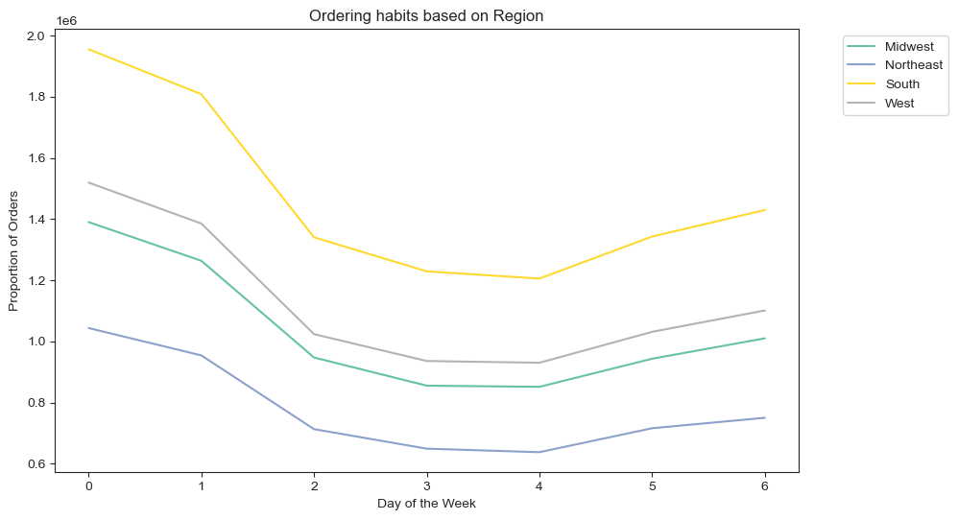
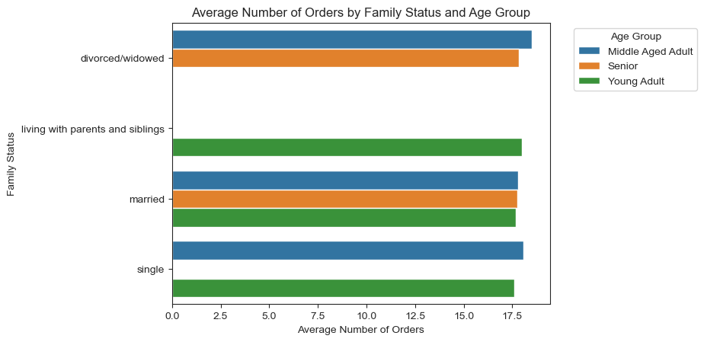

What different classifications does the demographic information suggest?
Age? Income? Certain types of goods? Family status?

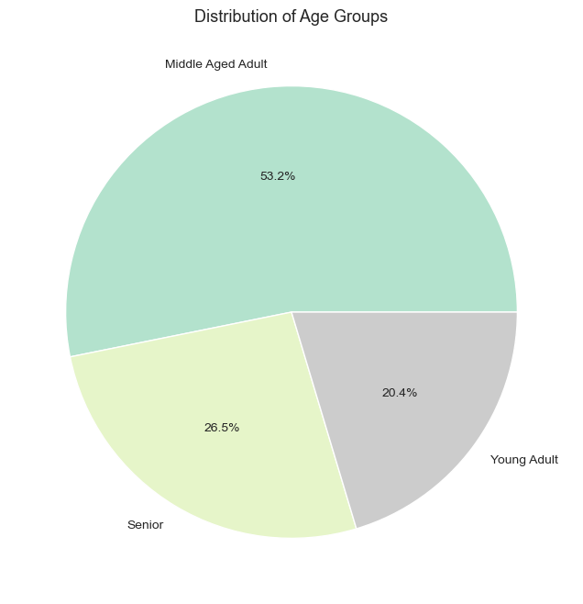
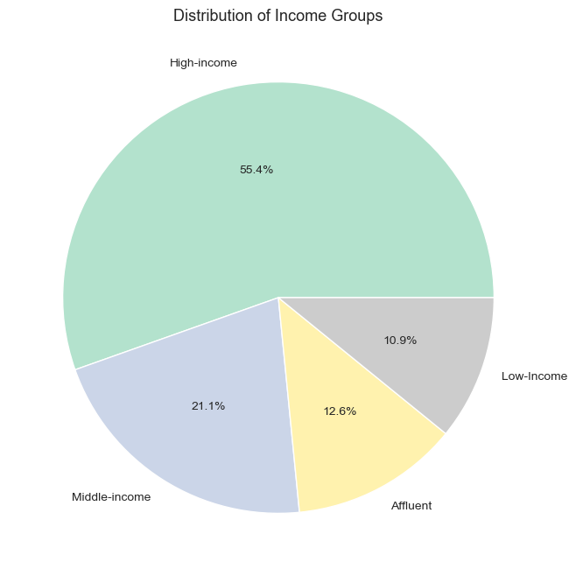

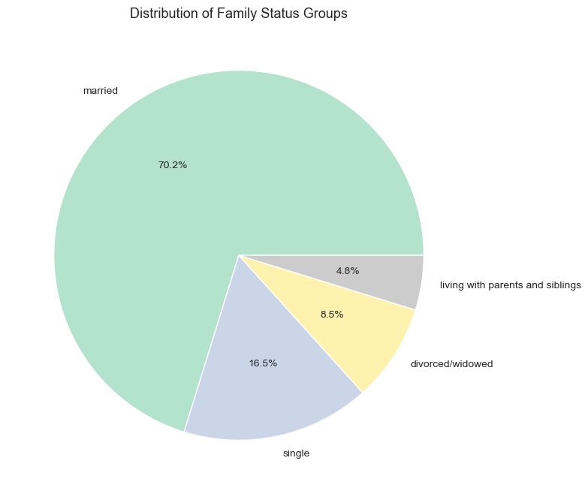

What differences can you find in ordering habits of different customer
profiles? Consider the price of orders, the frequency of orders, the products customers are ordering, and anything else you can think of.

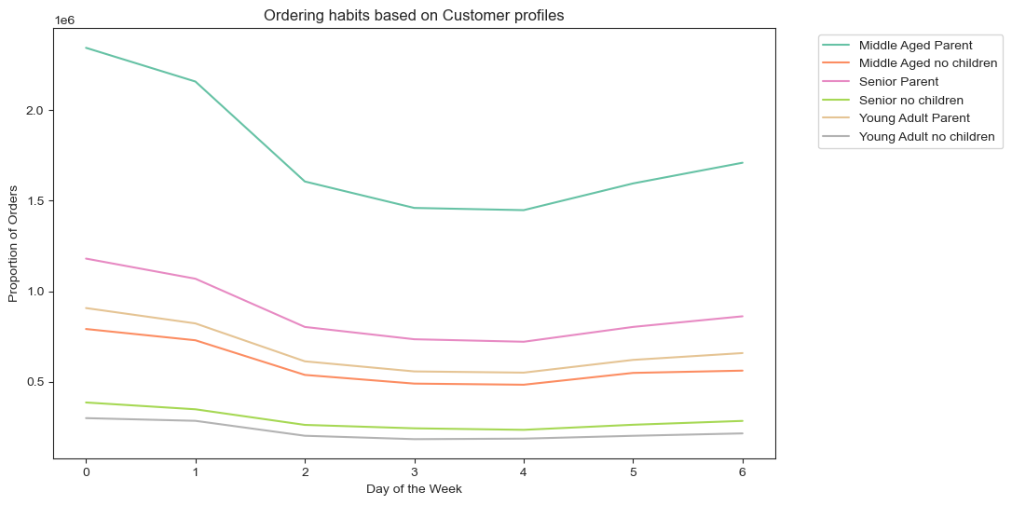
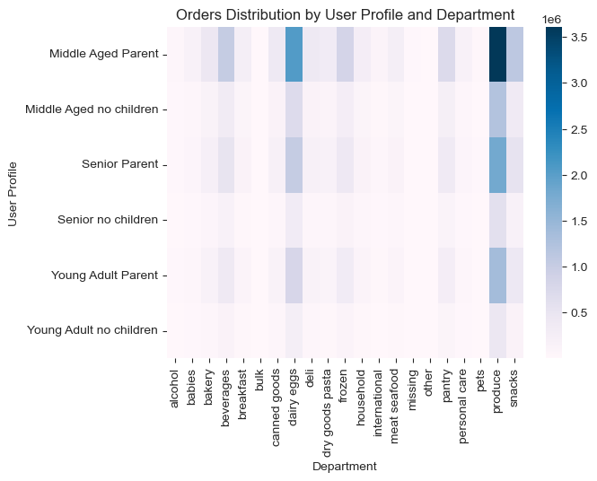

Distribution of customer profiles

7. Recommendations
 |  | Title page

Recommendations

In this tab you should include any recommendations you would made to Instcart in terms of their marketing strategy based on the questions posed in the brief. Every key question has been covered in the Tasks of the Exercises - here you need to add an item - a visualisation or table/crosstable that is showing the answer in the data, acompanied by a comment from you. Please, list the questions below and add the answer underneath.

Question | Answer
Key Question 1. The sales team needs to know what the busiest days of the week and hours of the day are (i.e., the days and times with the most orders) in order to schedule ads at times when there are fewer orders.

The most busy hours in terms of orders are between 9 am and 4 pm. After this, there's a decline in number of orders between 5 pm and 8 am. Considering that most of customers are sleeping between 23 and 6 am we recommend to schedule ads within 7 and 9 am, and between 5 pm and 10 pm.

Key Question 2. Are there particular times of the day when people spend the most money, as this might inform the type of products they advertise at these times.

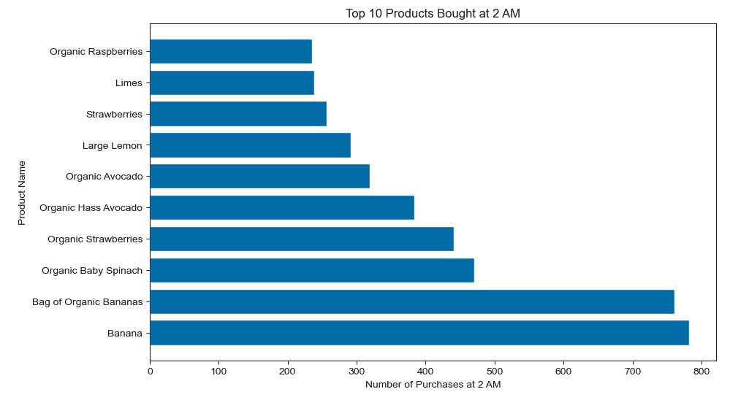

Instacart customers tend to spend more/make more expensive purchases at 2am. Considering that from the previous analysis, 2 am is not really an active time of the day among customers, I proceeded to find out the Top 10 popular products bought at 2am.
They mostly belong to the fruits and vegetables section, with Bananas being the most popular (individual and bags of organic). We recommend to push advertisement of these products at corresponding time.

Key Question 3. Instacart has a lot of products with different price tags. Marketing and sales want to use simpler price range groupings to help direct their efforts

Product prices were sorted into prices ranges. The applied criteria was as follows:
- If the item’s price was lower than or equal to 5 USD, item was labeled as 'low-range product'.
- If the item’s price was above 5 USD but lower than or equal to 15 USD, item was labeled as 'mid-range product'.
- If the item’s price was above 15 USD, item was labeled as 'high-range product'.
The most numerous items in the Instacart catalog are mid-range products (67%). The second most numerous are low-range products (31%) and finally, high-range products take 1% of the catalog.
We recommend to continue using these price range groupings for further analysis.

Key Question 4. Are there certain types of products that are more popular than others? The marketing and sales teams want to know which departments have the highest frequency of product orders.

Products in the 'Produce' category are the most popular among the Instacart customers- The category is also the most popular when analysis is done in customer profiles.
The Top 10 of most bought departments from most popular to least are: Produce, dairy eggs, snakc, beverages, frozen, pantry, bakery, canned goods, deli, dry goods pasta. If, at any point, the company wants to extend their catalog, we recommend to do it in products that belong to this categories. Advertisement effort should also focus on products within these departments.

Key Question 5. What's the distribution among users in regards to their brand loyalty (i.e., how often do they return to Instacart)?

So, although Loyal customers are the ones with a higher number of orders, the customers of Instacart are mostly composed by Regular customers (who have a number of orders between 10 and 40). It might be worth to analyse ways to push regular customers into increasing their number of orders by sending emails advertising a loyalty program offer or by sending this population discount codes, so they increase their number of orders.

Key Question 6. Are there differences in ordering habits based on a customer's loyalty status?

As indicated above, Regular customers are more frequent among Instacart's customers. In terms of ordering habits, they tend to order more on Saturdays, while Loyal customers have a tendency to buy more on Sundays. In general, all three loyalty-based groups tend to order more over the weekend ( Friday, 9; Saturday, 0; Sunday, 1).

Key Question 7. Are there differences in ordering habits based on a customer's region?

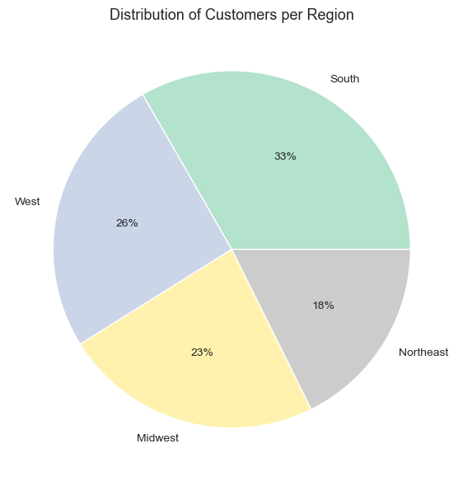

The majority of Instacart's customers are based in the South region. Like the previous analysis, we can see that the weekends (particularly Satuday and Sunday) are the days in which orders are made by customer's throughout regions. Overall, Tuesday is the day of the weel that sees less numbers of orders. The marketing Team should maybe consider introducing a campaign that aims to increase the number of sales particularly on Tuesday. As an example, 'Taco Tuesday' is a very famous concept and marketing approach by many restaurants and it has definitely become a cultural and commercial hit, particularly in the US. Instacart, might want to consider jumping on the trend and promote products necessary to cook tacos on Tuesday. This is one idea of the approach, that can have other approaches of course.

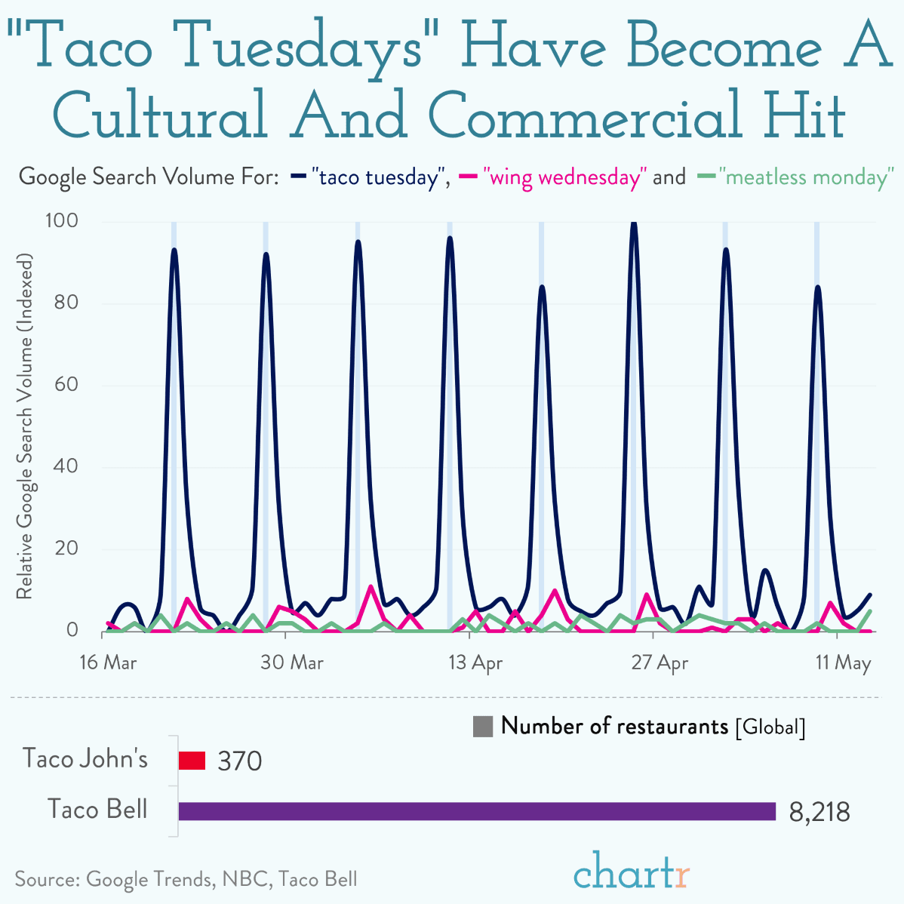

Key Question 8. Is there a connection between age and family status in terms of ordering habits?

From this visualization we can obtain that Single and Divorced/widowed Middle Aged Adults are the ones with a higher average number of orders. Instacart clientele has no Young Adults that are divorced or widowed. Other profiles that are not seen in Instacart clientele are single Seniors or Seniors living with parents and sibling (which makes sense). Interestingly enough, from this analysis, we can also conclude that another active group amont Instacart clientele are Young Adults living with parents and sibling.

Key Question 9. What different classifications does the demographic information suggest? Age? Income? Certain types of goods? Family status?

Demographics indicate that Middle Aged Adults - based on age group- , High-income individuals - based on income group- and married individuals - based on family status- constitute the majority of Instacart's customers

Key Question 10. What differences can you find in ordering habits of different customer profiles? Consider the price of orders, the frequency of orders, the products customers are ordering, and anything else you can think of.

DIstribution of customer profiles does not vary accross regions. Therefore there's no marketing strategy that can be suggested from this data.

With this grpah we can visualize the frquency of orders per department by customer profile. As already indicated, products in the department 'Produce' are the most popular among custoer, particularly 'Middle-aged Patents'. Diary eggs and snacks are the ones that followeD. Considering that many of the customers are parents, the marketing/sales departments might consider implementing a new strategy to promote products in the area 'Babies' and toher products that are child-focused.

Middle-aged parents with high income constitute a big percentage of Instacart's customers. In fact, all customer profiles have a proportion of high-income individuals. Young adults, do not have any individuals with affluent income.
If, in the future, the company would see a decrease of new customers but would still want to adopt measures to increase revenue, an avenue to do so, mught be to promote products that are popular among Middle-aged adults with high and affluent income as this part of the population might be able to keep up with product ordered without having their income affected. A way to do so might be to offer special AND unique discounts/promotions that are targeted to this population, either in the way of personalized emails or even regular mail, if the company still uses this as marketing tool.

8. Data Citation
Data Citation

“The Instacart Online Grocery Shopping Dataset 2017”, Accessed from www.instacart.com/datasets/grocery-shopping-2017 via Kaggle on July 2023.

NOTES:

The Customer Data set was fabricated by CF Content Department for learning purposes of this course

The column 'Prices' in the Product data set was also fabricated by the CF Content Department for learning puporse of this course.

